Sheet1
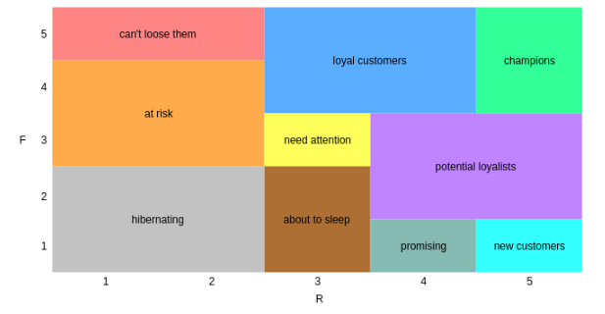
Segment | FR
About to Sleep | 13
About to Sleep | 23
At Risk | 31
At Risk | 32
At Risk | 41
At Risk | 42
Can’t Lose Them | 51
Can’t Lose Them | 52
Champions | 45
Champions | 55
Hibernating | 11
Hibernating | 12
Hibernating | 21
Hibernating | 22
Loyal Customers | 43
Loyal Customers | 53
Loyal Customers | 44
Loyal Customers | 54
Need Attention | 33
New Customers | 15
Potential Loyalists | 34
Potential Loyalists | 35
Potential Loyalists | 24
Potential Loyalists | 25
Promising | 14

